Request
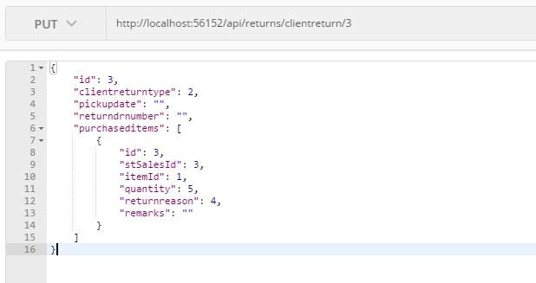
Parameter | Data Type | Length | Required | Unique | Remarks
Token | String |  | Yes |  | Bearer Token see AuthenticateAPI docu
ClientReturnType | Int |  | Yes
PickupDate | Date |  | See Remarks |  | Required if ClientReturnType = RequestPickup
ReturnDRNumber | String |  | See Remarks |  | Required if ClientReturnType = RequestPickup
PurchasedItems | Array |  | Yes
Id | Int |  | Yes
STSalesId | Int |  | Yes
ItemId | Int |  | Yes
Quantity | Int
ReturnReason | Int |  | Yes |  | Required if Quantity > 0
Remarks | String |  | See Remarks |  | Required if ReturnReason = Others

Example

Response
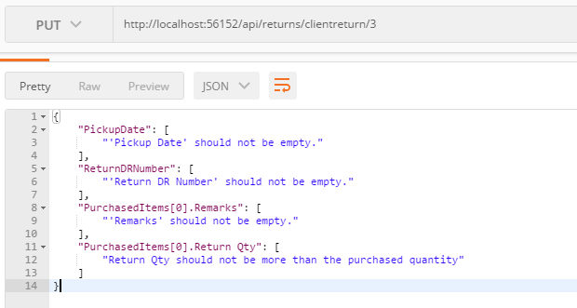
With Error

